Sheet1
 | 1.) EDI Message - can contain info for one Shipment or several shipments
 | 2.) One ASN is one shipment is one BOL is one ASN ID

 | EDI message
 | UNB envelope for the file 1.)
 |  | UNH opens DESADV message and represents one shipment 2.)
 |  |  | Header Level | contains info like ASN ID (BGM+351), BOL number (RFF+BM or RFF+DQ), Ship from address (NAD+SF), Ship to address (NAD+DP), PO number for the whole ASN (RFF+ON)

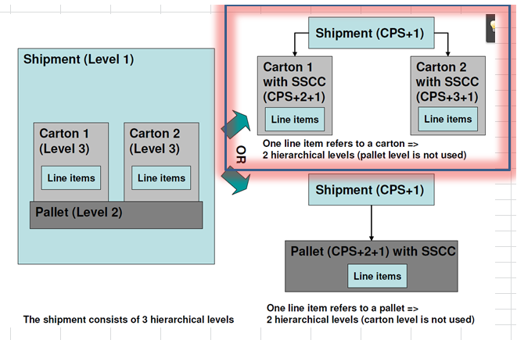

 |  |  |  | also contains the CPS+1 segment in which the structure of the whole shiment is stated. E.g. 2 Pallets and 10 Cartons

 |  |  |  | Detail Level | Is structured into CPS loops (CPS+2+1 then CPS+3+1 and so on) and each CPS represents a single packaging unit (either pallet or carton throughout the ASN). Our system only supports 2 hierachical levels. See picture. Let's say one CPS loop (after the general CPS+1) equals one carton, then all subsequent CPS loops must depict single cartons as well, even if they support SSCC codes.

 |  |  |  |  | State SSCC code
 |  |  |  |  | Then there is the info what items are in the carton (or the pallet if the CPS equals a pallet) by stating e.g. the EAN we used for ordering, the quantity that is in the carton and the PO were the demand originated from.
 |  |  |  |  | Conditional: State expiry date information on item level (expiry, manufacturer, best before date and batch number
 |  | Optional: New UNH opens new DESADV message and represents another shipment 2.)

 |  |  | Header Level | contains info like ASN ID (BGM+351), BOL number (RFF+BM or RFF+DQ), Ship from address (NAD+SF), Ship to address (NAD+DP), PO number for the whole ASN (RFF+ON)

 |  |  |  | also contains the CPS+1 segment in which the structure of the whole shiment is stated. E.g. 2 Pallets and 10 Cartons

 |  |  |  | Detail Level | Is structured into CPS loops (CPS+2+1 then CPS+3+1 and so on) and each CPS represents a single packaging unit (either pallet or carton throughout the ASN). Our system only supports 2 hierachical levels. See picture. Let's say one CPS loop (after the general CPS+1) equals one carton, then all subsequent CPS loops must depict single cartons as well, even if they support SSCC codes.

 |  |  |  |  | State SSCC code
 |  |  |  |  | Then there is the info what items are in the carton (or the pallet if the CPS equals a pallet) by stating e.g. the EAN we used for ordering, the quantity that is in the carton and the PO were the demand originated from.
 |  |  |  |  | Conditional: State expiry date information on item level (expiry, manufacturer, best before date and batch number
 |  | Optional: New UNH opens new DESADV message and represents another shipment 2.) and so on

 | EDI message
 | UNB+UNOC:3+<Sender GLN>:14+<Receiver GLN>:14+140407:1000+100+++++EANCOM
 | UNH+1+DESADV:D:96A:UN:EAN005
Header Level | BGM+351+DES587441+9
 | DTM+11:20140407:102
 | DTM+132:20140409:102
 | DTM+137:20140407:102
 | RFF+BM:ABCD12333
 | RFF+ON:3BB3TEST
 | NAD+DP+5450534000109::9+++++++GB
 | NAD+SU+<Supplier GLN>::9
 | NAD+SF+<Warehouse GLN>::9++++++ZIP CODE+ISOCOUNTRYCODE
 | TDT+20++30+31
 | CPS+1
 | PAC+2++201 |  |  | Overall summary of the delivery in terms of how many pallets and cartons
 | PAC+2++PK
Detail Level | CPS+2+1
 | PAC+1+:52+PK
 | MEA+PD+LN+CMT:120
 | MEA+PD+WD+CMT:50 |  |  |  |  | Carton or pallet #1
 | MEA+PD+HT+CMT:30
 | MEA+PD+AAB+KGM:12
 | HAN+BIG
 | PCI+33E |  |  |  |  | SSCC code
 | GIN+BJ+00354123450000000014
 | LIN+1++1234567891234:EN
 | QTY+12:30
 | RFF+ON:1AA1TEST |  |  |  |  | Items that are in carton #1
 | LIN+2++1234567891236:EN
 | QTY+12:30
 | RFF+ON:2AA2TEST
 | PCI+17 |  |  |  |  | Conditional expiry date and batch number per line item
 | DTM+361:20141031:102
 | GIN+BX+63214914
 | CPS+3+1
 | PAC+1+:52+PK
 | MEA+PD+LN+CMT:120
 | MEA+PD+WD+CMT:50 |  |  |  |  | Carton or pallet #2
 | MEA+PD+HT+CMT:30
 | MEA+PD+AAB+KGM:12
 | HAN+BIG
 | PCI+33E |  |  |  |  | SSCC code
 | GIN+BJ+00354123450000000015
 | LIN+3 |  |  |  |  | Items that are in carton #2 This item will use RFF+ON:2BB2TEST from the header
 | PIA+5+1234567891:IB
 | QTY+12:20
 | PCI+17
 | DTM+361:20141115:102 |  |  |  |  | Conditional expiry date and batch number per line item
 | GIN+BX+63572911
 | UNT+48+1
 | UNZ+1+100
 |  |  |  |  |  |  | and so on…

